Sheet1
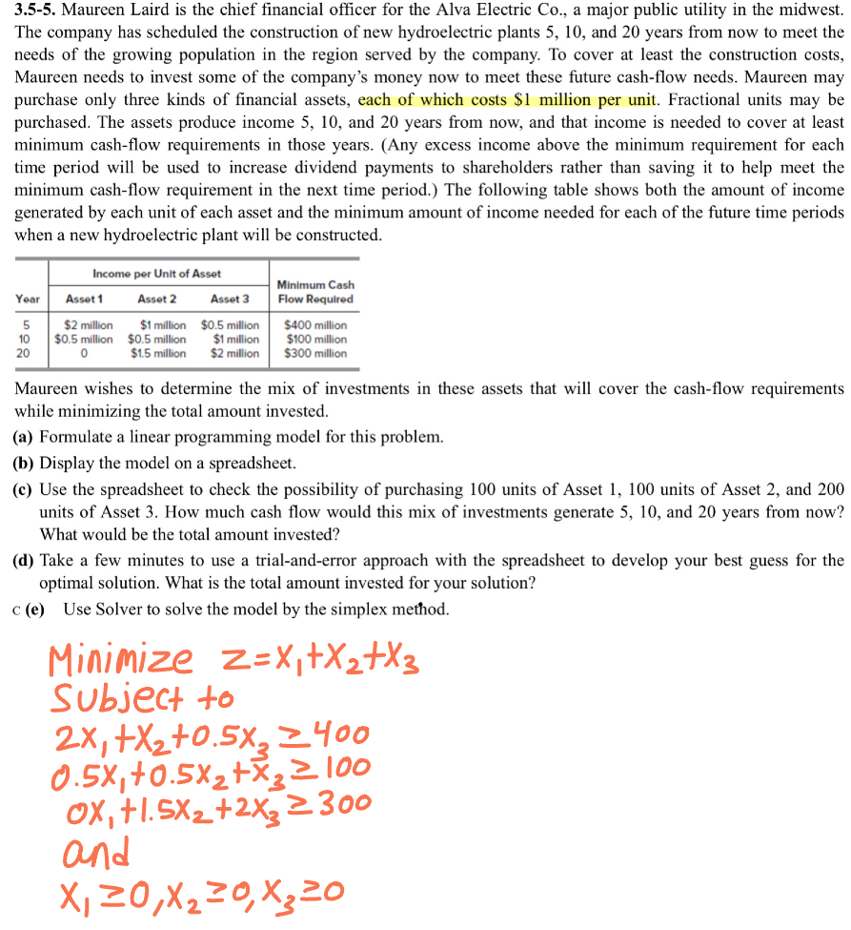
Decision Variables | x1 | x2 | x3
 | 100 | 200 | 0
Year | Asset 1 | Asset 2 | Asset 3 |  | Minimum Cash Flow Required
5 | 2 | 1 | 0.5 |  | 400
10 | 0.5 | 0.5 | 1 |  | 100
20 | 0 | 1.5 | 2 |  | 300

Contribution | 1 | 1 | 1

 |  |  |  | Obj Fun | 300

 |  |  |  |  | LH | sign | RH
 |  |  |  | c1 | 400 | >= | 400
 |  |  |  | c2 | 150 | >= | 100
 |  |  |  | c3 | 300 | >= | 300

